Sheet1
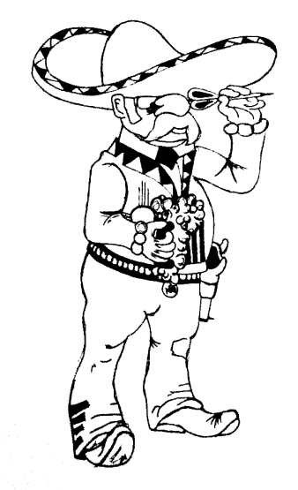
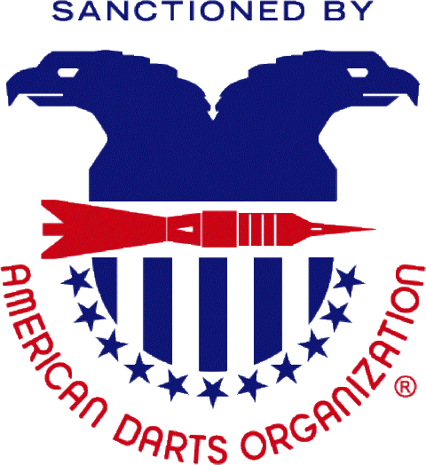
2015 Chile Classic - $5500 +
March 20th - 22th, 2015
Tournament Location:
 |  |  |  | Albuquerque Moose Lodge #1517
 |  |  |  | 2121 Edith Blvd NE
 |  |  |  | Albuquerque, NM 87102

 |  |  |  | Hotel Information: |  |  |  |  |  |  | Winmau World Masters
 |  |  |  | MCM Elegante Hotel |  |  |  |  |  |  | Regional Playoff
 |  |  |  | 2020 Menual Blvd. NE |  |  |  |  |  |  | 12:00 Noon Friday March 20th
 |  |  |  | Albuquerque, NM 87102
 |  |  |  | 866-650-4900
 |  |  |  | Working on darter rates.

Finals for singles 501 will be best of 5 games. |  |  | Sponsored by the |  |  |  |  |  |  | Bring your tablets to learn the app. DartConnect Launch Team will be present to help score some matches.
 |  |  |  |  |  |  | New Mexico Dart Association

 | Time | 20:00:00 | 11:00:00 | 11:30:00 | 14:00:00 | 14:30:00 | 17:00:00 | 20:00:00 | 11:00:00 | 11:30:00 | 13:30:00 | 14:00:00
 | Event | BLIND | MEN'S | WOMEN'S | MEN'S | WOMEN'S | MIXED | BLIND | Men's | WOMEN'S | MEN'S | WOMEN'S
 |  | DRAW | DOUBLES | SINGLES | SINGLES | DOUBLES | TRIPLES | DRAW | DOUBLES | SINGLES | SINGLES | DOUBLES
 |  | 501 | 501 | 501 | 501 | 501 | 701 | PENGUIN* | CRICKET | CRICKET | CRICKET | CRICKET
 | Fee | $10 | $30 | $20 ^ | $20 ^ | $30 | $45 | $10 | $30 | $20 ^ | $20 ^ | $30
 |  | Person | Team | Person | Person | Team | Team | Person | Team | Person | Person | Team
 | 1st | $160 | $300 | $140 | $280 | $160 | $300 | $160 | $300 | $140 | $280 | $160
 | 2nd | $80 | $150 | $70 | $160 | $80 | $150 | $80 | $150 | $70 | $160 | $80
 | Top 4 | $40 | $80 | $30 | $50 | $40 | $80 | $40 | $80 | $30 | $50 | $40
 | Top 8 | $20 | $60 |  | $26 |  | $0 | $20 | $60 |  | $26
 | TOTAL | $400 | $850 | $270 | $644 | $320 | $610 | $400 | $850 | $270 | $644 | $320
 | ^ Includes $2 ADO Surcharge - * Penguin Rules: Game order - 501, Cricket, then 301 as needed for best 2 out of 3
 | Entries close 15 minutes prior to all Events - Cash only!! No Checks!!
 | No Outside Food or Drinks Allowed
NMDA Info and Updates: www.facebook.com/NewMexicoDartAssociation

