BOOFLYER2
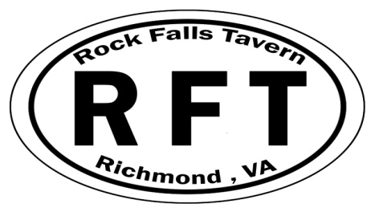
Rock Falls Tavern Dart Association
is proud to present: SANCTIONED BY:
The 26th Annual BOO SHOOT
October 21st - 22nd, 2017
Richmond, VA
 | Saturday - October 21st
Assoc. Points | CVDA | ADO & CVDA | CVDA | CVDA | ADO/CVDA | CVDA | CVDA
EVENTS | BLIND DRAW | Ladies Singles | Mens Doubles | Ladies Doubles | Mens Singles | Mixed Doubles | Upside Down
Sign up begins 30 min. |  |  |  |  |  |  | Cricket Blind Draw
before event start time. | 1:00 pm start | 3:00 pm Start | 3:30 pm Start | 5:00 pm Start | 5:30 pm Start | 7:00 pm Start | 21:00:00

Format | 501 SIDO/CKT/CC | Cricket | 501 SIDO | 501 SIDO | Cricket | Cricket | Cricket

Entry + Sanctioning | $6.00 * | $8.00 ** | $6.00 * | $6.00 * | $8.00 ** | $6.00 * | $6.00 *
Fees.
Payouts
1st | $90.00 | $45.00 | $76.00 | $46.00 | $66.00 | $76.00 | $56.00
2nd | $46.00 | $25.00 | $38.00 | $26.00 | $32.00 | $38.00 | $26.00
3rd | $22.00 | $15.00 | $18.00 | $14.00 | $16.00 | $18.00 | $14.00
4th | $22.00 | $15.00 | $18.00 | $14.00 | $16.00 | $18.00 | $14.00
TOTAL | $180.00 | $100.00 | $150.00 | $100.00 | $130.00 | $150.00 | $110.00

 |  |  | Sunday - October 22nd
 | Assoc. Points |  | CVDA | ADO & CVDA | CVDA | CVDA | ADO & CVDA | CVDA
 | EVENTS |  | BLIND DRAW | Ladies Singles | Mens' Doubles | Ladies Doubles | Mens Singles | MIXED DOUBLES
SANCTIONED BY: | Sign up begins 30 min
 | before event start time. |  | 1:00 pm start | 3:00 pm Start | 3:30 pm Start | 5:00 pm Start | 5:30 pm Start | 7:00 pm Start

 | Format |  | 501 SIDO/CKT/CC | 501 SIDO | Cricket | Cricket | 501 SIDO | 501 SIDO

 | Entry + Sanctioning |  | $6.00 * | $8.00 ** | $6.00 * | $6.00 * | $8.00 ** | $6.00 *
Sanctioning Fees: | Fees
* CVDA only | Payouts
** CVDA & ADO | 1st |  | $76.00 | $45.00 | $62.00 | $46.00 | $60.00 | $62.00
 | 2nd |  | $38.00 | $25.00 | $30.00 | $26.00 | $30.00 | $30.00
 | 3rd |  | $18.00 | $15.00 | $14.00 | $14.00 | $15.00 | $14.00
 | 4th |  | $18.00 | $15.00 | $14.00 | $14.00 | $15.00 | $14.00
 | TOTAL |  | $150.00 | $100.00 | $120.00 | $100.00 | $120.00 | $120.00

 |  |  |  |  | TOTAL PAYOUT: | $1,630.00

 | CONTACT INFO: |  |  |  |  | Tournament Location:
 | Tournament Director /ADO REP - Amy Gartrell |  |  |  |  | Rock Falls Tavern
 | vadarter@hotmail.com |  |  |  |  | 2813 Hathaway Road
 | Rock Falls Tavern - Barry Parham - GM |  |  |  |  | Richmond, VA 23225
 | bcparham1@aol.com |  |  |  |  | (804) 272-9470

