2011
Garden City Classic
$9,475.00
Augusta, Georgia March 2-4, 2011
Cricket Men's Pairs Sponsored by The Thoroughbred Dart Association of Aiken S.C.
EVENT | LUCK | CRICKET | CRICKET | CRICKET | CRICKET |  | CRICKET | 701 | 501 | 501 | 501 | 501 | 501
 | OF THE | MIXED | LADIES | MEN'S | LADIES |  | MEN'S | Mixed | MIXED | MEN'S | LADIES | MEN'S | LADIES
 | DRAW | PAIRS | PAIRS | SINGLES | SINGLES |  | PAIRS | Triples | PAIRS | SINGLES | SINGLES | PAIRS | PAIRS
 | 501 - Crk |  | 100% |  | 100% |  |  |  |  |  | 100% |  | 100%
 | 401 |  | Payout |  | Payout |  |  |  |  |  | Payout |  | Payout
ENTRY | $10 | $10 | $10 | $15 | $15 |  | $10 | $10 | $10 | $15 | $15 | $10 | $10
FEE
PER |  |  |  | t | t |  |  |  |  | t | t
PERSON
t 'ENTRY FEE INCLUDES A $2.00 ADO SURCHARGE
EVENT | FRI. | SAT. | SAT. | SAT. | SAT. |  | SAT. | SAT. | SUN. | SUN. | SUN. | SUN. | SUN.
START | 8:00:00 | 10:00:00 | 12:00:00 | 12:30:00 | 2:00:00 |  | 2:30:00 | 5:00:00 | 11:00:00 | 1:00:00 | 1:30:00 | 3:00:00 | 3:30:00
TIMES | PM | AM | NOON | PM | PM |  | PM | PM | AM | PM | PM | PM | PM
POSTED TIME IS CLOSE OF REGISTRATION
1st | $250 | $250 | $200 | $250 | $180 |  | $250 | $340 | $250 | $250 | $180 | $250 | $200 |  | 30
2nd | $125 | $140 | $100 | $125 | $90 |  | $140 | $170 | $140 | $125 | $90 | $140 | $100 |  | 20
TOP 4 | $90 | $90 | $50 | $65 | $45 |  | $90 | $100 | $90 | $65 | $45 | $90 | $50 |  | 10 | 10
Top 8 | $50 | $50 | $30 | $35 | $25 |  | $50 | $80 | $50 | $35 | $25 | $50 | $30 |  | 5 | 5 | 5 | 5
Top 16 | $30 | $25 |  | $20 | $25 |  |  |  | $25 | $20 | $25 |  |  | 0 | 90
TOTAL | $995 | $970 | $520 | $805 | $660 |  | $770 | $1,030 | $970 | $805 | $660 | $770 | $520
 | $9,475 |  |  |  |  |  |  | * This flier supersedes any flier dated before 01/31/11
 | ADULT/ | ADULT/ | YOUTH |  |  | Dart Supplies Provided By: |  |  |  |  |  |  |  |  | 30
 | YOUTH | YOUTH | SINGLES |  |  |  |  |  |  |  |  |  |  |  | 20
 | CRICKET | 501 | 501 |  |  |  |  |  |  |  |  |  |  |  | 15 | 15
 | T | T | T |  |  |  |  |  |  |  |  |  |  |  | 10 | 10 | 10 | 10
 | $5 | $5 | $5 |  |  |  |  |  |  |  |  |  |  |  | 5 | 5 | 5 | 5
 | SAT | SUN | SUN |  |  |  |  |  |  |  |  |  |  |  | 5 | 5 | 5 | 5
 | 9:00:00 | 10:00:00 | 12:00:00 |  |  |  |  |  |  |  |  |  |  |  | 160
 | AM | AM | NOON |  |  | Jukebox and Games Provided By:
 | 50% | 50% | 50%
 | 30% | 30% | 30%
 | 10% | 10% | 10%
 | 100% | 100% | 100%
TOURNAMENT LOCATION: |  |  |  |  |  |  |  |  | Ramada Hotel and Convention Center
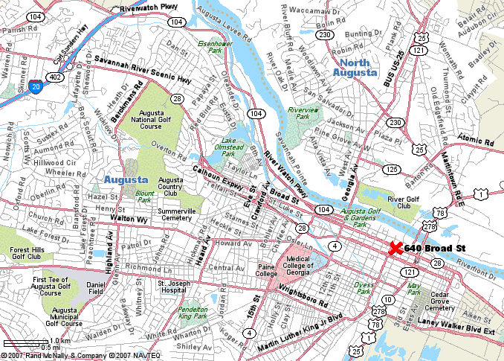
 |  |  |  |  |  |  |  |  | 640 Broad Street
 |  |  |  |  |  |  |  |  | Augusta, GA, 30901-1436
 |  |  |  |  |  |  |  |  | Phone: 706-722-5541
 |  |  |  |  |  |  |  |  | Fax: 706-724-0053
 |  |  |  |  |  |  |  |  | Special Darters Rates
 |  |  |  |  |  |  |  |  | $82.00 per night + tax
 |  |  |  |  |  |  |  |  | Please call local number for darter rates
 |  |  |  |  |  |  |  |  | Request the Garden City Classic (GCC)
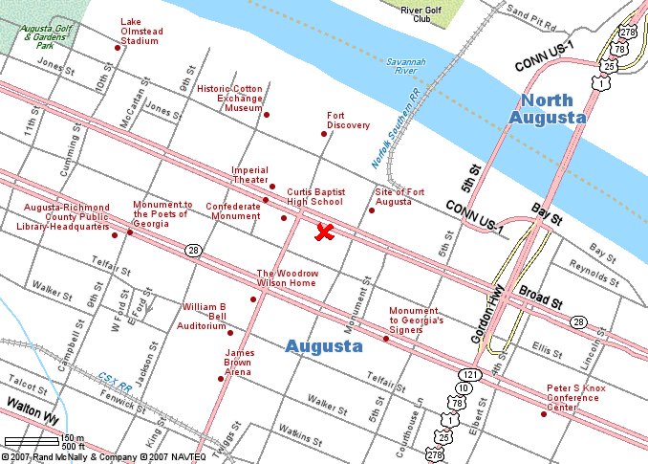
 |  |  |  |  |  |  |  |  | Please register prior to 02/15/2011
 |  |  |  |  |  |  |  |  | $2.50 Bottle Beer
 |  |  |  |  |  |  |  |  | Drink Specials with
 |  |  |  |  |  |  |  |  | purchase of $5.00 GCC Mug!
 |  |  |  |  |  |  |  |  | For more information
 |  |  |  |  |  |  |  |  | E-Mail: GCC@augustadarts.com

DISCLAIMER - AMATEUR STATUS |  |  |  |  |  |  |  | WARNING
The SRDA and/or the ADO assumes no responsibility for any adverse |  |  |  |  |  |  |  | DARTS is an adult sport. It is dangerous for children
effects which Dart Awards may have on the amateur status of any |  |  |  |  |  |  |  | to play without adult supervision.
Youth Participant. Please check local regulations/restrictions.
For more information or any tournament changes please visit : www.augustadarts.com/gardencityclassic.htm

